Sheet1
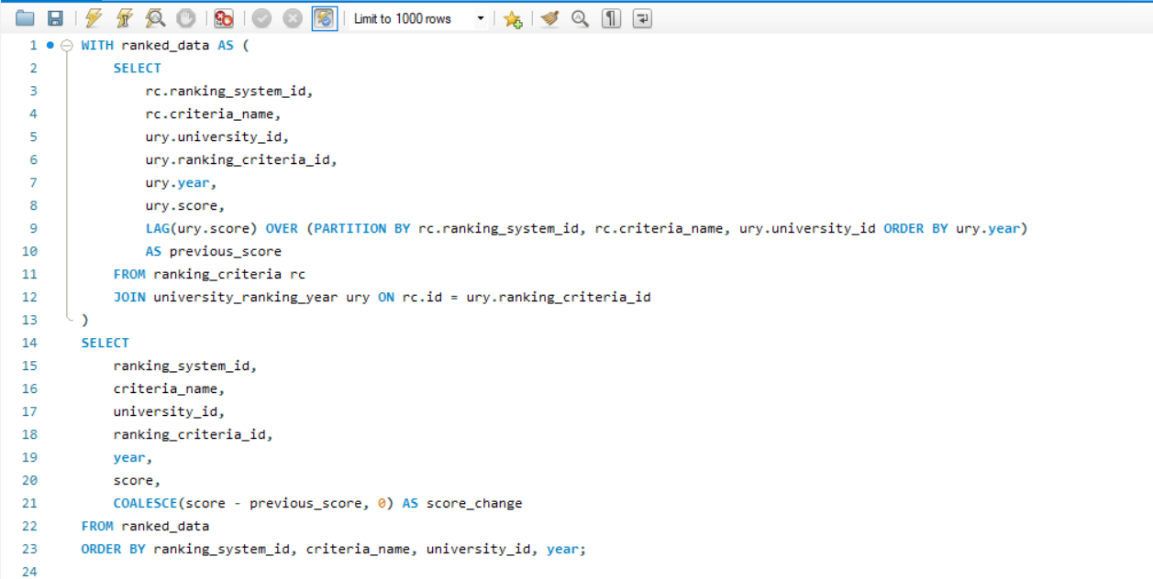
1. What is the trend in university rankings over the years according to each system?

